US
U.S.
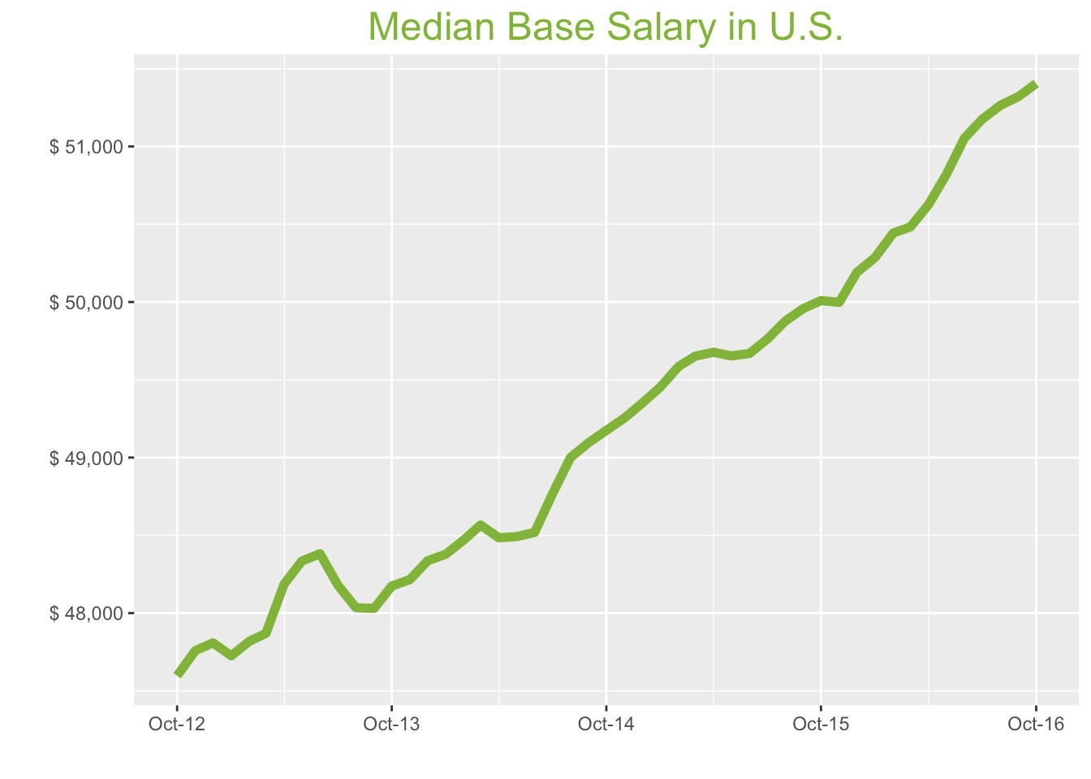
Oct-16

Job Title

Design
 | Median Base Salary | YoY
Graphic Designer | $43,291 | 3.5%
Education
 | Median Base Salary | YoY
Professor | $94,508 | 2.6%
Teacher | $45,223 | 6.2%
Engineering
 | Median Base Salary | YoY
Mechanical Engineer | $72,718 | -1.7%
Design Engineer | $73,499 | 1.4%
Electrical Engineer | $80,006 | 3.4%
Field Engineer | $65,984 | 1.5%
Finance
 | Median Base Salary | YoY
Financial Analyst | $61,141 | -0.8%
Accountant | $54,095 | 4.4%
Bank Teller | $27,463 | 3.7%
Tax Manager | $88,048 | -1.3%
Insurance Agent | $36,240 | -4.1%
Health
 | Median Base Salary | YoY
Registered Nurse | $61,306 | 3.4%
Physical Therapist | $69,559 | -2.3%
Pharmacy Technician | $30,522 | 4.4%
Medical Assistant | $33,244 | 6.3%
Physician | $197,297 | 2.7%
Medical Technologist | $53,221 | 0.1%
Emergency Medical Technician | $35,984 | 0.0%
Human Resources
 | Median Base Salary | YoY
Recruiter | $50,174 | 7.4%
Human Resources Manager | $67,633 | -1.8%
Labor
 | Median Base Salary | YoY
Technician | $45,936 | 6.9%
Warehouse Associate | $44,920 | 7.7%
Truck Driver | $53,988 | 7.8%
Machine Operator | $36,783 | 5.8%
Construction Laborer | $36,626 | 6.5%
Maintenance Worker | $41,179 | 0.8%
Law
 | Median Base Salary | YoY |  | Year | Median Base Pay | YOY
Attorney | $91,589 | 4.9% |  | 2016-12-01 | 51404.33 | 2.8%
Paralegal | $45,735 | 3.3% |  | 2016-11-01 | 51321.33 | 2.7%
Manufacturing |  |  |  | 2016-10-01 | 51264.00 | 2.8%
 | Median Base Salary | YoY |  | 2016-09-01 | 51174.67 | 2.8%
Production Manager | $62,343 | 0.9% |  | 2016-08-01 | 51053.67 | 2.8%
Manufacturing Engineer | $69,510 | 1.0% |  | 2016-07-01 | 50818.67 | 2.3%
Media |  |  |  | 2016-06-01 | 50626.33 | 1.9%
 | Median Base Salary | YoY |  | 2016-05-01 | 50482.33 | 1.7%
Producer | $52,626 | 6.0% |  | 2016-04-01 | 50443.67 | 1.7%
Technical Editor | $51,836 | 2.7% |  | 2016-03-01 | 50286.33 | 1.7%
Operations |  |  |  | 2016-02-01 | 50190.33 | 1.7%
 | Median Base Salary | YoY |  | 2016-01-01 | 49998.00 | 1.5%
Operations Manager | $63,456 | 4.4% |  | 2015-12-01 | 50009.33 | 1.7%
Operations Analyst | $55,322 | 5.3% |  | 2015-11-01 | 49958.00 | 1.8%
Professional Services |  |  |  | 2015-10-01 | 49876.33 | 1.8%
 | Median Base Salary | YoY |  | 2015-09-01 | 49759.00 | 2.0%
Consultant | $74,372 | 1.2% |  | 2015-08-01 | 49668.33 | 2.4%
Project Manager | $74,282 | -0.6% |  | 2015-07-01 | 49653.67 | 2.4%
Business Analyst | $63,295 | 1.7% |  | 2015-06-01 | 49677.00 | 2.5%
Administrative Assistant | $37,617 | 0.5% |  | 2015-05-01 | 49651.33 | 2.2%
Marketing Manager | $68,278 | 3.2% |  | 2015-04-01 | 49586.00 | 2.3%
Product Manager | $91,594 | 6.1% |  | 2015-03-01 | 49454.00 | 2.2%
Customer Service Manager | $48,621 | 5.0% |  | 2015-02-01 | 49349.33 | 2.1%
Business Development Manager | $71,592 | 7.0% |  | 2015-01-01 | 49255.00 | 2.2%
Communications Manager | $62,351 | -0.3% |  | 2014-12-01 | 49174.33 | 2.1%
Real Estate |  |  |  | 2014-11-01 | 49095.67 | 2.2%
 | Median Base Salary | YoY |  | 2014-10-01 | 49000.00 | 2.0%
Property Manager | $44,543 | 1.3% |  | 2014-09-01 | 48763.67 | 1.2%
Food Services |  |  |  | 2014-08-01 | 48518.67 | 0.3%
 | Median Base Salary | YoY |  | 2014-07-01 | 48491.33 | 0.3%
Restaurant Cook | $30,267 | 4.6% |  | 2014-06-01 | 48484.67 | 0.6%
Retail |  |  |  | 2014-05-01 | 48566.00 | 1.5%
 | Median Base Salary | YoY |  | 2014-04-01 | 48471.67 | 1.4%
Store Manager | $46,042 | 2.8% |  | 2014-03-01 | 48378.67 | 1.4%
Cashier | $27,926 | 4.4% |  | 2014-02-01 | 48336.33 | 1.1%
Buyer | $55,515 | 1.4% |  | 2014-01-01 | 48215.67
Retail Key Holder | $29,834 | 2.5% |  | 2013-12-01 | 48173.67
Sales |  |  |  | 2013-11-01 | 48030.00
 | Median Base Salary | YoY |  | 2013-10-01 | 48034.67
Sales Representative | $45,378 | 4.5% |  | 2013-09-01 | 48182.00
Sales Manager | $58,148 | 3.9% |  | 2013-08-01 | 48382.00
Technology |  |  |  | 2013-07-01 | 48334.00
 | Median Base Salary | YoY |  | 2013-06-01 | 48186.67
Software Engineer | $85,050 | 0.6% |  | 2013-05-01 | 47869.67
Programmer Analyst | $64,635 | 2.3% |  | 2013-04-01 | 47819.00
Web Developer | $64,660 | 0.3% |  | 2013-03-01 | 47725.33
Data Scientist | $97,724 | -0.2% |  | 2013-02-01 | 47808.67
Data Analyst | $57,389 | 2.0%
Java Developer | $76,892 | 5.8%
Quality Engineer | $70,847 | -1.2%
Web Designer | $58,025 | 3.7%

Industry

 | Median Base Salary
Accounting & Legal | $51,839
Aerospace & Defense | $55,325
Architecture & Civil Engineering | $52,750
Arts & Entertainment | $45,023
Automotive | $47,051
Banking & Financial Services | $51,260
Beauty & Fitness | $44,774
Biotech & Pharmaceuticals | $55,415
Business Services | $49,886
Computer Software & Hardware | $52,664
Construction | $52,223
Consulting | $52,782
Consumer Electronics | $45,467
Consumer Services | $47,767
Education & Schools | $46,471
Energy & Utilities | $58,050
Facilities | $46,763
Farming & Agriculture | $51,527
Government | $51,263
Health Care & Hospitals | $49,500
Information Technology | $51,298
Insurance | $51,545
Internet & Tech | $52,475
Manufacturing | $52,697
Marketing & Advertising | $48,493
Media & Publishing | $49,798
Nonprofit | $46,065
Private Security | $46,723
Real Estate | $49,020
Recruiting & Staffing | $48,162
Restaurants & Bars | $46,186
Retail | $46,069
Supermarkets | $48,111
Telecommunications | $50,054
Transportation & Logistics | $48,834
Travel & Tourism | $47,245
Wholesale | $50,258

Employer Size

 | Median Base Salary
<51 | $46,796
51-200 | $47,816
201-500 | $48,612
501-1000 | $49,456
1001-5000 | $50,691
5000+ | $51,728

U.S. Quick Facts

 | Oct-16 | YoY
U.S. Median Salary | $51,404 | 2.8%

Date | Median Base Pay | 3-Month Moving Average | YOY %
Oct-16 | $51,414 | 5140433.3% | 2.8%
Sep-16 | $51,548 | 5132133.3% | 2.7%
Aug-16 | $51,251 | 5126400.0% | 2.8%
Jul-16 | $51,165 | 5117466.7% | 2.8%
Jun-16 | $51,376 | 5105366.7% | 2.8%
May-16 | $50,983 | 5081866.7% | 2.3%
Apr-16 | $50,802 | 5062633.3% | 1.9%
Mar-16 | $50,671 | 5048233.3% | 1.7%
Feb-16 | $50,406 | 5044366.7% | 1.7%
Jan-16 | $50,370 | 5028633.3% | 1.7%
Dec-15 | $50,555 | 5019033.3% | 1.7%
Nov-15 | $49,934 | 4999800.0% | 1.5%
Oct-15 | $50,082 | 5000933.3% | 1.7%
Sep-15 | $49,978 | 4995800.0% | 1.8%
Aug-15 | $49,968 | 4987633.3% | 1.8%
Jul-15 | $49,928 | 4975900.0% | 2.0%
Jun-15 | $49,733 | 4966833.3% | 2.4%
May-15 | $49,616 | 4965366.7% | 2.4%
Apr-15 | $49,656 | 4967700.0% | 2.5%
Mar-15 | $49,689 | 4965133.3% | 2.2%
Feb-15 | $49,686 | 4958600.0% | 2.3%
Jan-15 | $49,579 | 4945400.0% | 2.2%
Dec-14 | $49,493 | 4934933.3% | 2.1%
Nov-14 | $49,290 | 4925500.0% | 2.2%
Oct-14 | $49,265 | 4917433.3% | 2.1%
Sep-14 | $49,210 | 4909566.7% | 2.2%
Aug-14 | $49,048 | 4900000.0% | 2.0%
Jul-14 | $49,029 | 4876366.7% | 1.2%
Jun-14 | $48,923 | 4851866.7% | 0.3%
May-14 | $48,339 | 4849133.3% | 0.3%
Apr-14 | $48,294 | 4848466.7% | 0.6%
Mar-14 | $48,841 | 4856600.0% | 1.5%
Feb-14 | $48,319 | 4847166.7% | 1.4%
Jan-14 | $48,538 | 4837866.7% | 1.4%
Dec-13 | $48,558 | 4833633.3% | 1.1%
Nov-13 | $48,040 | 4821566.7% | NA
Oct-13 | $48,411 | 4817366.7% | NA
Sep-13 | $48,196 | 4803000.0% | NA
Aug-13 | $47,914 | 4803466.7% | NA
Jul-13 | $47,980 | 4818200.0% | NA
Jun-13 | $48,210 | 4838200.0% | NA
May-13 | $48,356 | 4833400.0% | NA
Apr-13 | $48,580 | 4818666.7% | NA
Mar-13 | $48,066 | 4786966.7% | NA
Feb-13 | $47,914 | 4781900.0% | NA
Jan-13 | $47,629 | 4772533.3% | NA
Dec-12 | $47,914 | 4780866.7% | NA
Nov-12 | $47,633 | NA | NA
Oct-12 | $47,879 | NA | NA

SF
San Francisco Metro
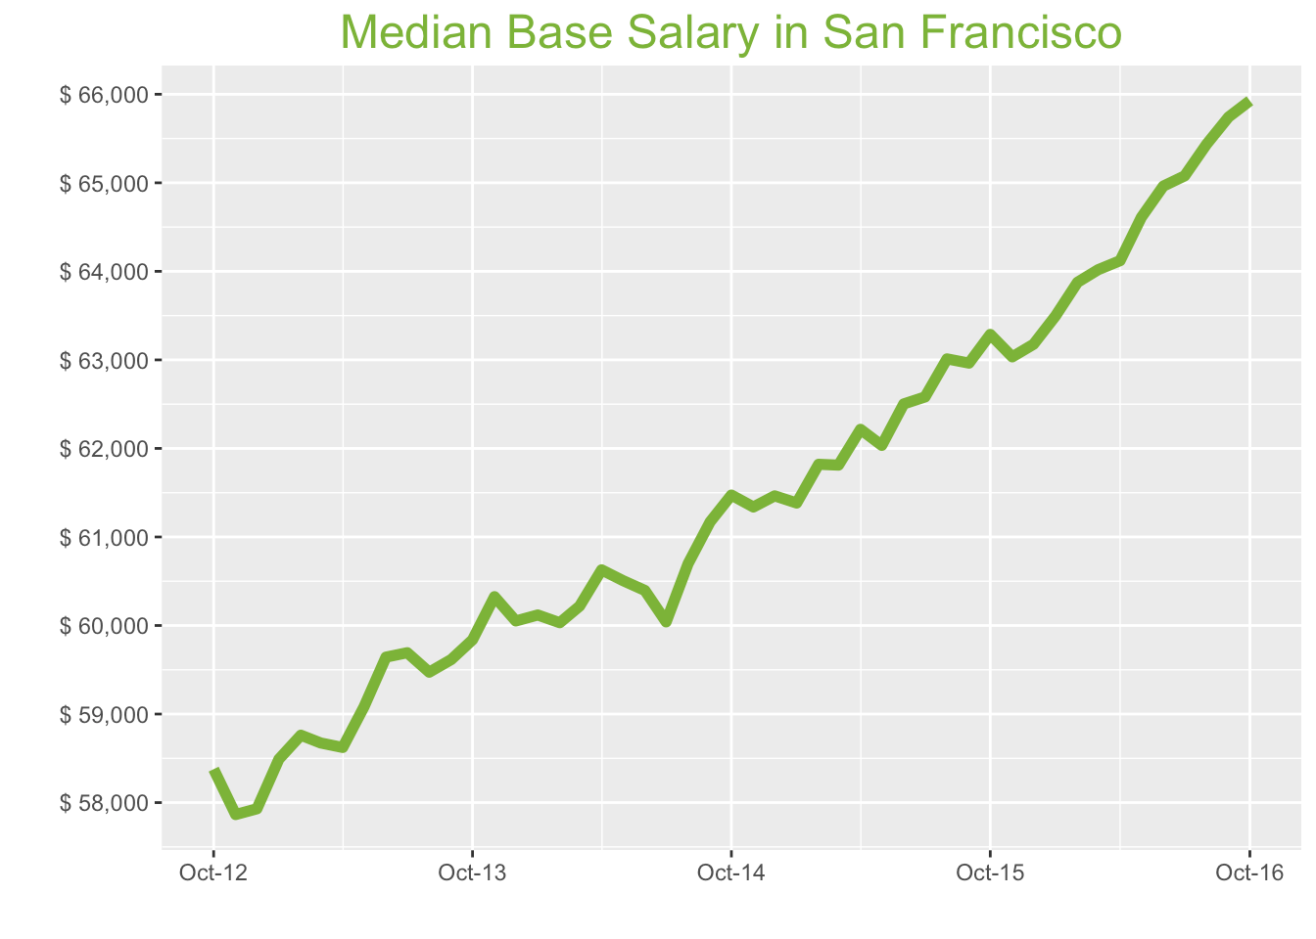
Oct-16

Job Title

Design
 | Median Base Salary | YoY
Graphic Designer | $64,993 | 4.3%
Education
 | Median Base Salary | YoY
Professor | $139,795 | 3.3%
Teacher | $61,989 | 7.0%
Engineering
 | Median Base Salary | YoY
Mechanical Engineer | $93,272 | -1.0%
Design Engineer | $95,547 | 2.1%
Electrical Engineer | $102,229 | 4.2%
Field Engineer | $79,336 | 2.2%
Finance
 | Median Base Salary | YoY
Financial Analyst | $79,482 | -0.1%
Accountant | $68,269 | 5.2%
Bank Teller | $31,863 | 4.4%
Tax Manager | $111,920 | -0.5%
Insurance Agent | $40,952 | -3.4%
Health
 | Median Base Salary | YoY
Registered Nurse | $116,715 | 4.2%
Physical Therapist | $89,496 | -1.5%
Pharmacy Technician | $45,657 | 5.1%
Medical Assistant | $51,214 | 7.1%
Physician | $251,784 | 3.4%
Medical Technologist | $67,919 | 0.9%
Emergency Medical Technician | $42,066 | 0.7%
Human Resources
 | Median Base Salary | YoY
Recruiter | $68,382 | 8.1%
Human Resources Manager | $98,142 | -1.1%
Labor
 | Median Base Salary | YoY
Technician | $58,512 | 7.7%
Warehouse Associate | $57,326 | 8.5%
Truck Driver | $67,634 | 8.5%
Machine Operator | $46,941 | 6.6%
Construction Laborer | $46,741 | 7.2%
Maintenance Worker | $52,551 | 1.5%
Law
 | Median Base Salary | YoY
Attorney | $136,516 | 5.7%
Paralegal | $63,783 | 4.1%
Manufacturing
 | Median Base Salary | YoY
Production Manager | $83,657 | 1.7%
Manufacturing Engineer | $90,425 | 1.7%
Media
 | Median Base Salary | YoY
Producer | $85,674 | 6.8%
Technical Editor | $66,151 | 3.4%
Operations
 | Median Base Salary | YoY
Operations Manager | $80,399 | 5.1%
Operations Analyst | $73,841 | 6.1%
Professional Services
 | Median Base Salary | YoY
Consultant | $98,864 | 2.0%
Project Manager | $93,538 | 0.2%
Business Analyst | $82,404 | 2.5%
Administrative Assistant | $52,042 | 1.2%
Marketing Manager | $97,040 | 4.0%
Product Manager | $124,375 | 6.9%
Customer Service Manager | $60,702 | 5.8%
Business Development Manager | $90,749 | 7.8%
Communications Manager | $89,732 | 0.5%
Real Estate
 | Median Base Salary | YoY
Property Manager | $62,059 | 2.0%
Food Services
 | Median Base Salary | YoY
Restaurant Cook | $37,347 | 5.3%
Retail
 | Median Base Salary | YoY
Store Manager | $61,529 | 3.5%
Cashier | $33,495 | 5.1%
Buyer | $75,497 | 2.2%
Retail Key Holder | $37,459 | 3.2%
Sales
 | Median Base Salary | YoY
Sales Representative | $56,758 | 5.3%
Sales Manager | $76,743 | 4.7%
Technology
 | Median Base Salary | YoY
Software Engineer | $116,131 | 1.4%
Programmer Analyst | $83,643 | 3.0%
Web Developer | $95,935 | 1.0%
Data Scientist | $137,018 | 0.5%
Data Analyst | $83,760 | 2.7%
Java Developer | $109,055 | 6.6%
Quality Engineer | $86,621 | -0.4%
Web Designer | $85,270 | 4.5%

Industry

 | Median Base Salary
Accounting & Legal | $66,156
Aerospace & Defense | $70,604
Architecture & Civil Engineering | $67,318
Arts & Entertainment | $57,458
Automotive | $60,044
Banking & Financial Services | $65,416
Beauty & Fitness | $57,139
Biotech & Pharmaceuticals | $70,719
Business Services | $63,663
Computer Software & Hardware | $67,209
Construction | $66,645
Consulting | $67,358
Consumer Electronics | $58,024
Consumer Services | $60,958
Education & Schools | $59,305
Energy & Utilities | $74,081
Facilities | $59,678
Farming & Agriculture | $65,757
Government | $65,420
Health Care & Hospitals | $63,170
Information Technology | $65,465
Insurance | $65,780
Internet & Tech | $66,967
Manufacturing | $67,250
Marketing & Advertising | $61,886
Media & Publishing | $63,550
Nonprofit | $58,787
Private Security | $59,627
Real Estate | $62,558
Recruiting & Staffing | $61,462
Restaurants & Bars | $58,942
Retail | $58,792
Supermarkets | $61,398
Telecommunications | $63,877
Transportation & Logistics | $62,320
Travel & Tourism | $60,292
Wholesale | $64,138

Employer Size

 | Median Base Salary
<51 | $59,719
51-200 | $61,021
201-500 | $62,037
501-1000 | $63,114
1001-5000 | $64,691
5000+ | $66,014

San Francisco Quick Facts

 | Oct-16 | YoY
San Francisco Median Salary | $65,927 | 4.2%
U.S. Median Salary | $51,404 | 2.8%
Job Openings | 113,052 | 13.9%
 | Aug-16 | YoY
Labor Force Size | 2,567,577 | 2.0%
Total Employment | 2,462,412 | 2.1%
Unemployment Rate | 4.10% | -0.2%

LA
Los Angeles Metro
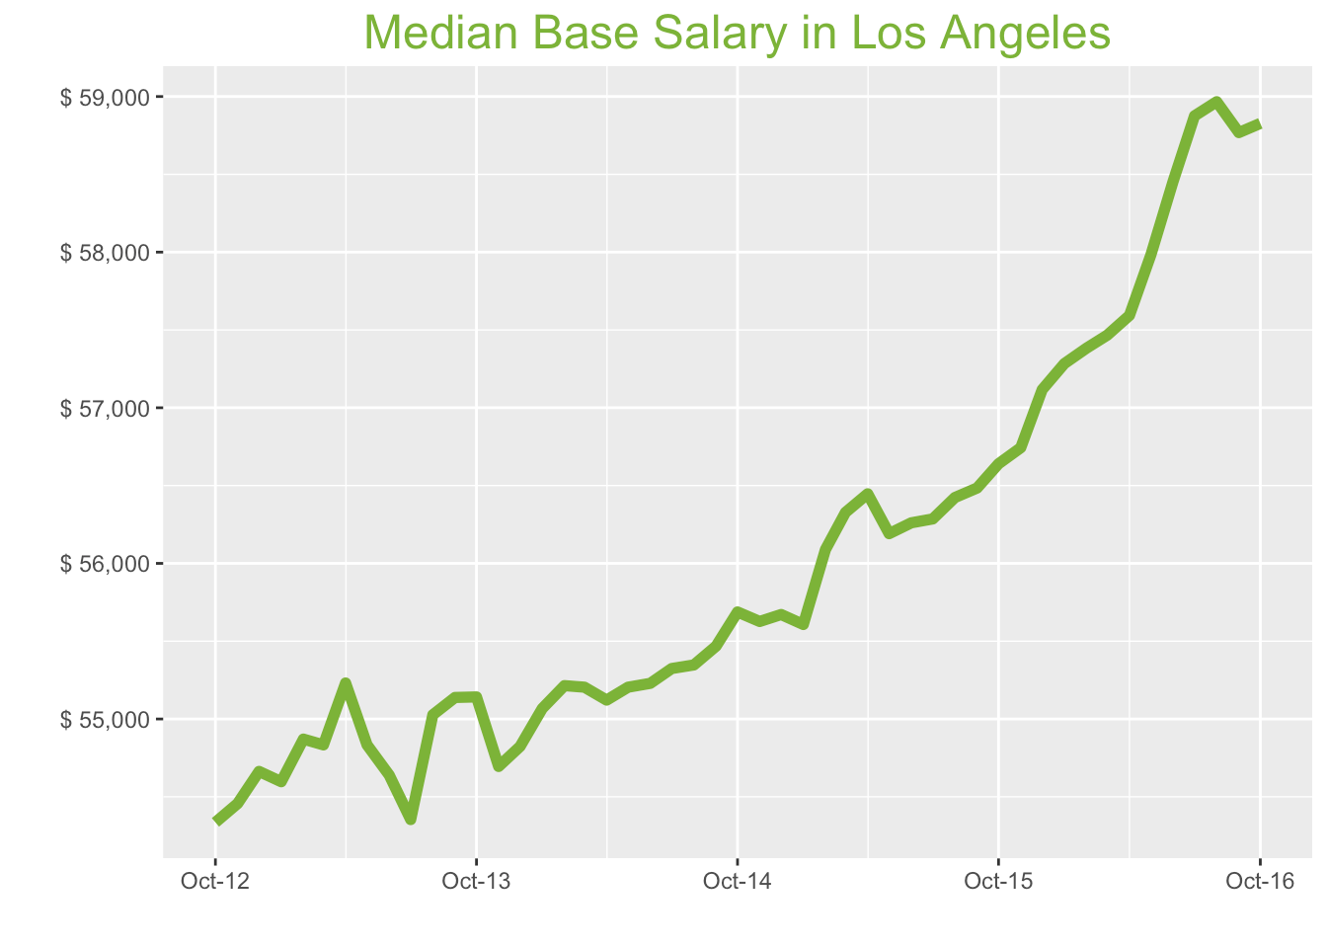
Oct-16

Job Title

Design
 | Median Base Salary | YoY
Graphic Designer | $55,159 | 5.0%
Education
 | Median Base Salary | YoY
Professor | $122,457 | 4.0%
Teacher | $59,460 | 7.7%
Engineering
 | Median Base Salary | YoY
Mechanical Engineer | $80,796 | -0.4%
Design Engineer | $86,901 | 2.8%
Electrical Engineer | $90,189 | 4.9%
Field Engineer | $73,705 | 2.9%
Finance
 | Median Base Salary | YoY
Financial Analyst | $69,024 | 0.6%
Accountant | $60,281 | 5.9%
Bank Teller | $29,874 | 5.1%
Tax Manager | $102,864 | 0.1%
Insurance Agent | $39,755 | -2.7%
Health
 | Median Base Salary | YoY
Registered Nurse | $86,731 | 4.9%
Physical Therapist | $87,242 | -0.9%
Pharmacy Technician | $36,987 | 5.8%
Medical Assistant | $38,160 | 7.8%
Physician | $226,416 | 4.1%
Medical Technologist | $61,076 | 1.5%
Emergency Medical Technician | $34,388 | 1.4%
Human Resources
 | Median Base Salary | YoY
Recruiter | $58,791 | 8.9%
Human Resources Manager | $84,712 | -0.4%
Labor
 | Median Base Salary | YoY
Technician | $53,218 | 8.4%
Warehouse Associate | $47,832 | 9.2%
Truck Driver | $56,616 | 9.3%
Machine Operator | $35,409 | 7.3%
Construction Laborer | $39,125 | 8.0%
Maintenance Worker | $45,277 | 2.2%
Law
 | Median Base Salary | YoY
Attorney | $124,444 | 6.4%
Paralegal | $53,069 | 4.8%
Manufacturing
 | Median Base Salary | YoY
Production Manager | $75,824 | 2.3%
Manufacturing Engineer | $77,930 | 2.4%
Media
 | Median Base Salary | YoY
Producer | $83,755 | 7.5%
Technical Editor | $59,487 | 4.1%
Operations
 | Median Base Salary | YoY
Operations Manager | $72,851 | 5.8%
Operations Analyst | $63,733 | 6.8%
Professional Services
 | Median Base Salary | YoY
Consultant | $92,802 | 2.6%
Project Manager | $85,467 | 0.8%
Business Analyst | $72,141 | 3.1%
Administrative Assistant | $46,223 | 1.9%
Marketing Manager | $82,209 | 4.6%
Product Manager | $106,032 | 7.6%
Customer Service Manager | $56,636 | 6.5%
Business Development Manager | $83,651 | 8.5%
Communications Manager | $73,410 | 1.1%
Real Estate
 | Median Base Salary | YoY
Property Manager | $55,435 | 2.7%
Food Services
 | Median Base Salary | YoY
Restaurant Cook | $34,147 | 6.0%
Retail
 | Median Base Salary | YoY
Store Manager | $58,058 | 4.2%
Cashier | $30,748 | 5.8%
Buyer | $62,041 | 2.9%
Retail Key Holder | $33,907 | 3.9%
Sales
 | Median Base Salary | YoY
Sales Representative | $51,934 | 6.0%
Sales Manager | $71,185 | 5.4%
Technology
 | Median Base Salary | YoY
Software Engineer | $98,057 | 2.0%
Programmer Analyst | $73,603 | 3.7%
Web Developer | $77,196 | 1.7%
Data Scientist | $119,475 | 1.2%
Data Analyst | $67,503 | 3.4%
Java Developer | $92,021 | 7.3%
Quality Engineer | $80,629 | 0.2%
Web Designer | $66,308 | 5.2%

Industry

 | Median Base Salary
Accounting & Legal | $59,490
Aerospace & Defense | $63,490
Architecture & Civil Engineering | $60,535
Arts & Entertainment | $51,669
Automotive | $53,995
Banking & Financial Services | $58,826
Beauty & Fitness | $51,382
Biotech & Pharmaceuticals | $63,594
Business Services | $57,249
Computer Software & Hardware | $60,437
Construction | $59,931
Consulting | $60,572
Consumer Electronics | $52,178
Consumer Services | $54,817
Education & Schools | $53,330
Energy & Utilities | $66,617
Facilities | $53,665
Farming & Agriculture | $59,132
Government | $58,829
Health Care & Hospitals | $56,806
Information Technology | $58,869
Insurance | $59,153
Internet & Tech | $60,220
Manufacturing | $60,475
Marketing & Advertising | $55,651
Media & Publishing | $57,147
Nonprofit | $52,864
Private Security | $53,619
Real Estate | $56,255
Recruiting & Staffing | $55,270
Restaurants & Bars | $53,003
Retail | $52,868
Supermarkets | $55,212
Telecommunications | $57,441
Transportation & Logistics | $56,041
Travel & Tourism | $54,218
Wholesale | $57,676

Employer Size

 | Median Base Salary
<51 | $53,703
51-200 | $54,873
201-500 | $55,786
501-1000 | $56,755
1001-5000 | $58,173
5000+ | $59,363

Los Angeles Quick Facts

 | Oct-16 | YoY
Los Angeles Median Salary | $58,827.33 | 3.9%
U.S. Median Salary | $51,404 | 2.8%
Job Openings | 168,432 | 6.7%
 | Aug-16 | YoY
Labor Force Size | 6,734,767 | 2.2%
Total Employment | 6,394,048 | 3.4%
Unemployment Rate | 5.10% | -1.1%

CHI
Chicago Metro
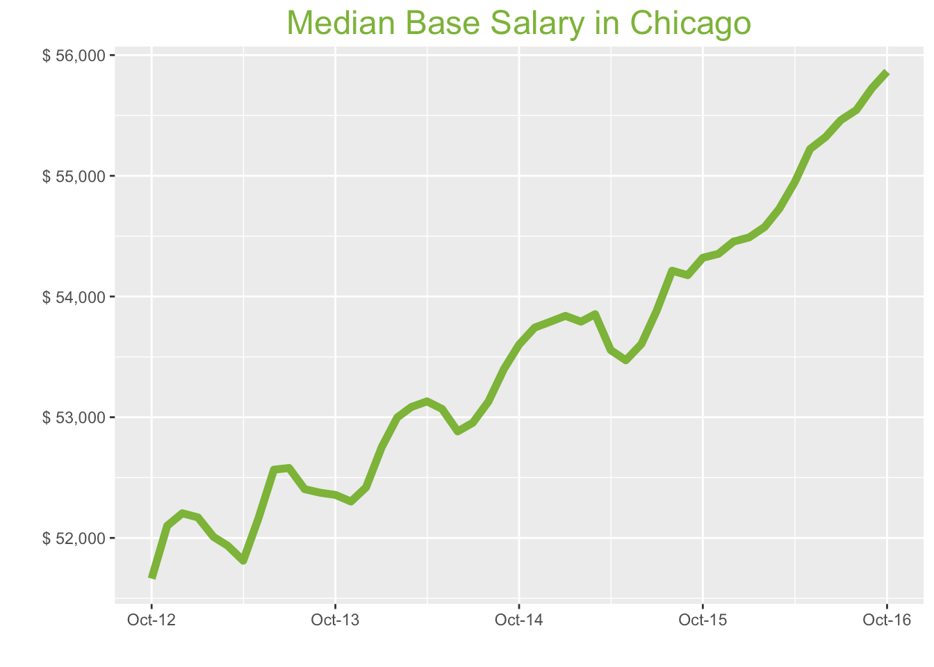
Oct-16

Job Title

Design
 | Median Base Salary | YoY
Graphic Designer | $47,832 | 3.8%
Education
 | Median Base Salary | YoY
Professor | $108,194 | 2.9%
Teacher | $52,185 | 6.5%
Engineering
 | Median Base Salary | YoY
Mechanical Engineer | $73,974 | -1.5%
Design Engineer | $77,939 | 1.7%
Electrical Engineer | $83,202 | 3.7%
Field Engineer | $66,265 | 1.8%
Finance
 | Median Base Salary | YoY
Financial Analyst | $64,563 | -0.6%
Accountant | $59,043 | 4.7%
Bank Teller | $28,281 | 4.0%
Tax Manager | $98,759 | -1.0%
Insurance Agent | $35,784 | -3.8%
Health
 | Median Base Salary | YoY
Registered Nurse | $69,895 | 3.7%
Physical Therapist | $72,898 | -2.0%
Pharmacy Technician | $32,660 | 4.7%
Medical Assistant | $36,612 | 6.6%
Physician | $215,071 | 2.9%
Medical Technologist | $54,497 | 0.4%
Emergency Medical Technician | $33,360 | 0.3%
Human Resources
 | Median Base Salary | YoY
Recruiter | $51,801 | 7.7%
Human Resources Manager | $82,505 | -1.5%
Labor
 | Median Base Salary | YoY
Technician | $48,467 | 7.2%
Warehouse Associate | $48,967 | 8.0%
Truck Driver | $55,948 | 8.0%
Machine Operator | $38,377 | 6.1%
Construction Laborer | $40,930 | 6.8%
Maintenance Worker | $43,832 | 1.1%
Law
 | Median Base Salary | YoY
Attorney | $111,685 | 5.2%
Paralegal | $52,152 | 3.6%
Manufacturing
 | Median Base Salary | YoY
Production Manager | $66,953 | 1.2%
Manufacturing Engineer | $73,205 | 1.3%
Media
 | Median Base Salary | YoY
Producer | $67,705 | 6.3%
Technical Editor | $56,506 | 2.9%
Operations
 | Median Base Salary | YoY
Operations Manager | $68,103 | 4.7%
Operations Analyst | $63,637 | 5.6%
Professional Services
 | Median Base Salary | YoY
Consultant | $89,281 | 1.5%
Project Manager | $81,366 | -0.3%
Business Analyst | $72,096 | 2.0%
Administrative Assistant | $43,042 | 0.8%
Marketing Manager | $79,752 | 3.5%
Product Manager | $98,546 | 6.4%
Customer Service Manager | $53,355 | 5.3%
Business Development Manager | $76,228 | 7.3%
Communications Manager | $69,734 | 0.0%
Real Estate
 | Median Base Salary | YoY
Property Manager | $51,745 | 1.6%
Food Services
 | Median Base Salary | YoY
Restaurant Cook | $31,779 | 4.9%
Retail
 | Median Base Salary | YoY
Store Manager | $51,211 | 3.0%
Cashier | $29,445 | 4.7%
Buyer | $62,971 | 1.7%
Retail Key Holder | $32,258 | 2.8%
Sales
 | Median Base Salary | YoY
Sales Representative | $49,897 | 4.8%
Sales Manager | $67,521 | 4.2%
Technology
 | Median Base Salary | YoY
Software Engineer | $87,525 | 0.9%
Programmer Analyst | $70,915 | 2.6%
Web Developer | $73,531 | 0.6%
Data Scientist | $109,118 | 0.1%
Data Analyst | $62,464 | 2.3%
Java Developer | $88,621 | 6.1%
Quality Engineer | $73,746 | -0.9%
Web Designer | $68,703 | 4.0%

Industry

 | Median Base Salary
Accounting & Legal | $56,509
Aerospace & Defense | $60,309
Architecture & Civil Engineering | $57,502
Arts & Entertainment | $49,080
Automotive | $51,289
Banking & Financial Services | $55,878
Beauty & Fitness | $48,807
Biotech & Pharmaceuticals | $60,407
Business Services | $54,380
Computer Software & Hardware | $57,409
Construction | $56,927
Consulting | $57,537
Consumer Electronics | $49,563
Consumer Services | $52,070
Education & Schools | $50,658
Energy & Utilities | $63,279
Facilities | $50,976
Farming & Agriculture | $56,169
Government | $55,881
Health Care & Hospitals | $53,959
Information Technology | $55,919
Insurance | $56,189
Internet & Tech | $57,203
Manufacturing | $57,445
Marketing & Advertising | $52,862
Media & Publishing | $54,284
Nonprofit | $50,215
Private Security | $50,932
Real Estate | $53,436
Recruiting & Staffing | $52,500
Restaurants & Bars | $50,347
Retail | $50,219
Supermarkets | $52,445
Telecommunications | $54,563
Transportation & Logistics | $53,233
Travel & Tourism | $51,501
Wholesale | $54,786

Employer Size

 | Median Base Salary
<51 | $51,012
51-200 | $52,123
201-500 | $52,991
501-1000 | $53,911
1001-5000 | $55,258
5000+ | $56,388

Chicago Quick Facts

 | Oct-16 | YoY
Chicago Median Salary | $55,863.67 | 2.8%
U.S. Median Salary | $51,404 | 2.8%
Job Openings | 167,979 | 23.3%
 | Aug-16 | YoY
Labor Force Size | 4,980,982 | 1.6%
Total Employment | 4,711,687 | 1.8%
Unemployment Rate | 5.40% | -0.2%

HOU
Houston Metro
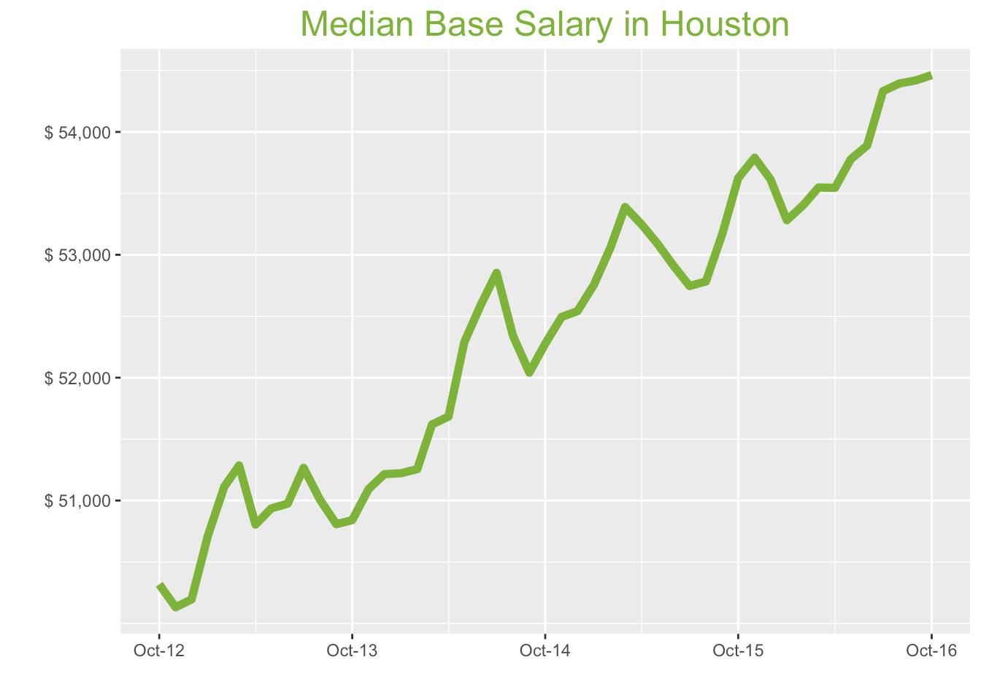
Oct-16

Job Title

Design
 | Median Base Salary | YoY
Graphic Designer | $45,639 | 1.7%
Education
 | Median Base Salary | YoY
Professor | $100,821 | 0.7%
Teacher | $49,850 | 4.3%
Engineering
 | Median Base Salary | YoY
Mechanical Engineer | $80,714 | -3.5%
Design Engineer | $84,059 | -0.4%
Electrical Engineer | $86,541 | 1.6%
Field Engineer | $67,886 | -0.3%
Finance
 | Median Base Salary | YoY
Financial Analyst | $67,845 | -2.6%
Accountant | $58,221 | 2.6%
Bank Teller | $27,749 | 1.8%
Tax Manager | $98,245 | -3.0%
Insurance Agent | $35,063 | -5.8%
Health
 | Median Base Salary | YoY
Registered Nurse | $71,216 | 1.6%
Physical Therapist | $73,909 | -4.0%
Pharmacy Technician | $32,815 | 2.5%
Medical Assistant | $36,834 | 4.4%
Physician | $208,960 | 0.8%
Medical Technologist | $57,774 | -1.6%
Emergency Medical Technician | $40,392 | -1.8%
Human Resources
 | Median Base Salary | YoY
Recruiter | $52,667 | 5.5%
Human Resources Manager | $77,702 | -3.5%
Labor
 | Median Base Salary | YoY
Technician | $48,841 | 5.0%
Warehouse Associate | $43,496 | 5.8%
Truck Driver | $56,354 | 5.8%
Machine Operator | $39,555 | 3.9%
Construction Laborer | $34,467 | 4.6%
Maintenance Worker | $43,073 | -1.0%
Law
 | Median Base Salary | YoY
Attorney | $121,310 | 3.0%
Paralegal | $50,539 | 1.5%
Manufacturing
 | Median Base Salary | YoY
Production Manager | $63,913 | -0.9%
Manufacturing Engineer | $75,570 | -0.8%
Media
 | Median Base Salary | YoY
Producer | $61,835 | 4.2%
Technical Editor | $54,900 | 0.8%
Operations
 | Median Base Salary | YoY
Operations Manager | $67,243 | 2.5%
Operations Analyst | $64,321 | 3.5%
Professional Services
 | Median Base Salary | YoY
Consultant | $84,813 | -0.6%
Project Manager | $83,751 | -2.3%
Business Analyst | $69,315 | -0.1%
Administrative Assistant | $41,111 | -1.3%
Marketing Manager | $75,945 | 1.4%
Product Manager | $98,069 | 4.2%
Customer Service Manager | $47,948 | 3.2%
Business Development Manager | $81,262 | 5.1%
Communications Manager | $65,560 | -2.0%
Real Estate
 | Median Base Salary | YoY
Property Manager | $49,599 | -0.5%
Food Services
 | Median Base Salary | YoY
Restaurant Cook | $28,574 | 2.7%
Retail
 | Median Base Salary | YoY
Store Manager | $49,152 | 0.9%
Cashier | $27,315 | 2.5%
Buyer | $58,949 | -0.4%
Retail Key Holder | $30,334 | 0.7%
Sales
 | Median Base Salary | YoY
Sales Representative | $49,098 | 2.6%
Sales Manager | $66,056 | 2.1%
Technology
 | Median Base Salary | YoY
Software Engineer | $82,395 | -1.2%
Programmer Analyst | $67,043 | 0.5%
Web Developer | $69,950 | -1.5%
Data Scientist | $103,502 | -2.0%
Data Analyst | $60,300 | 0.2%
Java Developer | $81,437 | 4.0%
Quality Engineer | $71,601 | -2.9%
Web Designer | $61,455 | 1.9%

Industry

 | Median Base Salary
Accounting & Legal | $54,904
Aerospace & Defense | $58,595
Architecture & Civil Engineering | $55,868
Arts & Entertainment | $47,685
Automotive | $49,832
Banking & Financial Services | $54,290
Beauty & Fitness | $47,421
Biotech & Pharmaceuticals | $58,691
Business Services | $52,835
Computer Software & Hardware | $55,778
Construction | $55,310
Consulting | $55,902
Consumer Electronics | $48,155
Consumer Services | $50,590
Education & Schools | $49,218
Energy & Utilities | $61,481
Facilities | $49,528
Farming & Agriculture | $54,573
Government | $54,293
Health Care & Hospitals | $52,426
Information Technology | $54,330
Insurance | $54,592
Internet & Tech | $55,577
Manufacturing | $55,813
Marketing & Advertising | $51,360
Media & Publishing | $52,742
Nonprofit | $48,788
Private Security | $49,485
Real Estate | $51,918
Recruiting & Staffing | $51,009
Restaurants & Bars | $48,917
Retail | $48,792
Supermarkets | $50,955
Telecommunications | $53,013
Transportation & Logistics | $51,720
Travel & Tourism | $50,038
Wholesale | $53,229

Employer Size

 | Median Base Salary
<51 | $49,562
51-200 | $50,642
201-500 | $51,485
501-1000 | $52,379
1001-5000 | $53,688
5000+ | $54,786

Houston Quick Facts

 | Oct-16 | YoY
Houston Median Salary | $54,462.33 | 1.6%
U.S. Median Salary | $51,404 | 2.8%
Job Openings | 81,223 | 2.4%
 | Aug-16 | YoY
Labor Force Size | 3,306,384 | 1.9%
Total Employment | 3,115,342 | 0.9%
Unemployment Rate | 5.80% | 0.9%

NYC
New York City Metro
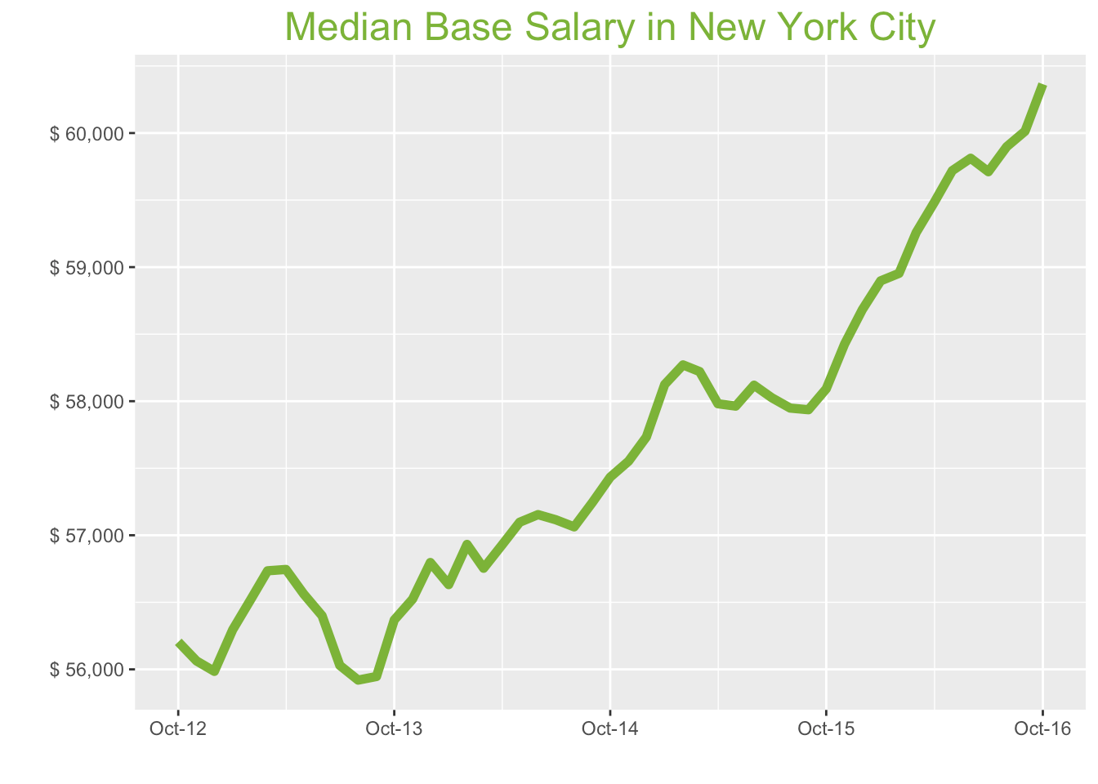
Oct-16

Job Title

Design
 | Median Base Salary | YoY
Graphic Designer | $57,158 | 4.4%
Education
 | Median Base Salary | YoY
Professor | $122,585 | 3.5%
Teacher | $62,900 | 7.1%
Engineering
 | Median Base Salary | YoY
Mechanical Engineer | $75,494 | -0.9%
Design Engineer | $82,330 | 2.3%
Electrical Engineer | $82,963 | 4.3%
Field Engineer | $75,807 | 2.4%
Finance
 | Median Base Salary | YoY
Financial Analyst | $74,120 | 0.0%
Accountant | $62,856 | 5.4%
Bank Teller | $30,933 | 4.6%
Tax Manager | $112,507 | -0.4%
Insurance Agent | $38,508 | -3.2%
Health
 | Median Base Salary | YoY
Registered Nurse | $85,456 | 4.3%
Physical Therapist | $76,536 | -1.4%
Pharmacy Technician | $29,770 | 5.3%
Medical Assistant | $38,977 | 7.3%
Physician | $231,682 | 3.6%
Medical Technologist | $62,429 | 1.0%
Emergency Medical Technician | $37,710 | 0.9%
Human Resources
 | Median Base Salary | YoY
Recruiter | $60,311 | 8.3%
Human Resources Manager | $85,951 | -0.9%
Labor
 | Median Base Salary | YoY
Technician | $52,447 | 7.9%
Warehouse Associate | $39,633 | 8.6%
Truck Driver | $58,731 | 8.7%
Machine Operator | $38,115 | 6.8%
Construction Laborer | $42,357 | 7.4%
Maintenance Worker | $40,346 | 1.7%
Law
 | Median Base Salary | YoY
Attorney | $125,432 | 5.8%
Paralegal | $52,353 | 4.3%
Manufacturing
 | Median Base Salary | YoY
Production Manager | $72,855 | 1.8%
Manufacturing Engineer | $72,713 | 1.9%
Media
 | Median Base Salary | YoY
Producer | $83,053 | 7.0%
Technical Editor | $60,870 | 3.6%
Operations
 | Median Base Salary | YoY
Operations Manager | $73,504 | 5.3%
Operations Analyst | $75,280 | 6.3%
Professional Services
 | Median Base Salary | YoY
Consultant | $94,479 | 2.1%
Project Manager | $87,791 | 0.3%
Business Analyst | $78,380 | 2.6%
Administrative Assistant | $47,294 | 1.4%
Marketing Manager | $82,584 | 4.1%
Product Manager | $110,522 | 7.0%
Customer Service Manager | $55,977 | 5.9%
Business Development Manager | $88,397 | 7.9%
Communications Manager | $75,558 | 0.6%
Real Estate
 | Median Base Salary | YoY
Property Manager | $59,407 | 2.2%
Food Services
 | Median Base Salary | YoY
Restaurant Cook | $33,711 | 5.5%
Retail
 | Median Base Salary | YoY
Store Manager | $55,808 | 3.7%
Cashier | $29,160 | 5.3%
Buyer | $67,500 | 2.3%
Retail Key Holder | $34,463 | 3.4%
Sales
 | Median Base Salary | YoY
Sales Representative | $53,287 | 5.4%
Sales Manager | $74,087 | 4.9%
Technology
 | Median Base Salary | YoY
Software Engineer | $104,247 | 1.5%
Programmer Analyst | $75,950 | 3.2%
Web Developer | $82,286 | 1.2%
Data Scientist | $119,034 | 0.7%
Data Analyst | $69,740 | 2.9%
Java Developer | $91,367 | 6.8%
Quality Engineer | $75,542 | -0.3%
Web Designer | $71,516 | 4.6%

Industry

 | Median Base Salary
Accounting & Legal | $60,874
Aerospace & Defense | $64,967
Architecture & Civil Engineering | $61,943
Arts & Entertainment | $52,870
Automotive | $55,251
Banking & Financial Services | $60,194
Beauty & Fitness | $52,577
Biotech & Pharmaceuticals | $65,073
Business Services | $58,580
Computer Software & Hardware | $61,843
Construction | $61,324
Consulting | $61,981
Consumer Electronics | $53,391
Consumer Services | $56,092
Education & Schools | $54,570
Energy & Utilities | $68,167
Facilities | $54,913
Farming & Agriculture | $60,507
Government | $60,197
Health Care & Hospitals | $58,127
Information Technology | $60,238
Insurance | $60,529
Internet & Tech | $61,621
Manufacturing | $61,881
Marketing & Advertising | $56,945
Media & Publishing | $58,477
Nonprofit | $54,093
Private Security | $54,866
Real Estate | $57,564
Recruiting & Staffing | $56,555
Restaurants & Bars | $54,236
Retail | $54,098
Supermarkets | $56,496
Telecommunications | $58,777
Transportation & Logistics | $57,344
Travel & Tourism | $55,479
Wholesale | $59,017

Employer Size

 | Median Base Salary
<51 | $54,952
51-200 | $56,149
201-500 | $57,084
501-1000 | $58,075
1001-5000 | $59,526
5000+ | $60,743

New York City Quick Facts

 | Oct-16 | YoY
New York City Median Salary | $60,365 | 3.9%
U.S. Median Salary | $51,404 | 2.8%
Job Openings | 269,660 | 18.4%
 | Aug-16 | YoY
Labor Force Size | 10,085,591 | -0.2%
Total Employment | 9,566,049 | -0.3%
Unemployment Rate | 5.20% | 0.2%

